Ind gov data
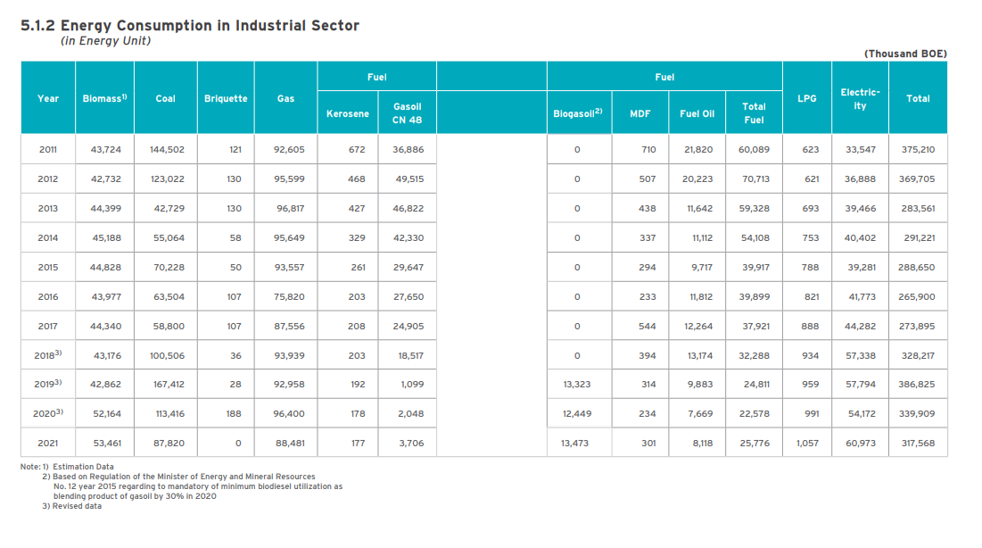

ktoe |  |  |  |  | fuel
 | biomass | coal | briquette | gas | kerosene | gasoil cn 48 | biogasoil | mdf | fuel oil | total fuel | lpg | electricity | total
2018 | 43,176 | 100,506 | 36 | 93,939 | 203 | 18,517 | - | 394 | 13,174 | 32,288 | 934 | 57,338 | 328,217
2019 | 42,862 | 167,412 | 28 | 92,958 | 192 | 1,099 | 13,323 | 314 | 9,883 | 24,811 | 959 | 57,794 | 386,825
2020 | 52,164 | 113,416 | 188 | 96,400 | 178 | 2,048 | 12,449 | 234 | 7,669 | 22,578 | 991 | 54,172 | 339,909
2021 | 53,461 | 87,820 | - | 88,481 | 177 | 3,706 | 13,473 | 301 | 8,118 | 25,776 | 1,057 | 60,973 | 317,568

btus
 | biomass | coal | briquette | gas | kerosene | gasoil cn 48 | biogasoil | mdf | fuel oil | total fuel | lpg | electricity | total
2018 | 1.71E+15 | 3.99E+15 | 1.43E+12 | 3.73E+15 | 8.06E+12 | 7.35E+14 | 0.00E+00 | 1.56E+13 | 5.23E+14 | 1.28E+15 | 3.71E+13 | 2.28E+15 | 1.30E+16
2019 | 1.70E+15 | 6.64E+15 | 1.11E+12 | 3.69E+15 | 7.62E+12 | 4.36E+13 | 5.29E+14 | 1.25E+13 | 3.92E+14 | 9.85E+14 | 3.81E+13 | 2.29E+15 | 1.53E+16
2020 | 2.07E+15 | 4.50E+15 | 7.46E+12 | 3.83E+15 | 7.06E+12 | 8.13E+13 | 4.94E+14 | 9.29E+12 | 3.04E+14 | 8.96E+14 | 3.93E+13 | 2.15E+15 | 1.35E+16
2021 | 2.12E+15 | 3.48E+15 | 0.00E+00 | 3.51E+15 | 7.02E+12 | 1.47E+14 | 5.35E+14 | 1.19E+13 | 3.22E+14 | 1.02E+15 | 4.19E+13 | 2.42E+15 | 1.26E+16

COMPARE VALUES | 3.02E+14 | 8.04E+14 |  | 9.09E+14 |  |  |  |  | 9.40E+13 |  | 5.20E+12 | 3.23E+14

